BOM
Item | Part Number | Thumbnail | QTY | Stock Number | Description | REV
1 | 20-2040_150mm | 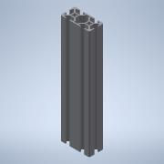 | 1
2 | 14056_m | 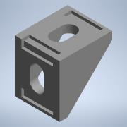 | 4 |  | 14056, 14051, 14053, 14052, 14054_m-2 Hole Inside Corner Brackets
3 | Buffer | 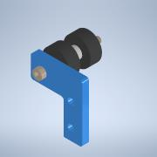 | 2
4 | Carriage_Horizontal_Spacer | 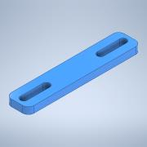 | 2
5 | 20-2040_400mm | 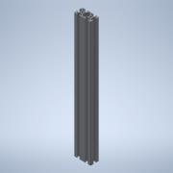 | 1
6 | hex spacer standoff nut M5 L30 | 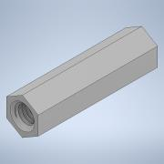 | 4 |  | STEP AP203 | ANYUNSPECIFIED
7 | Buffer_L | 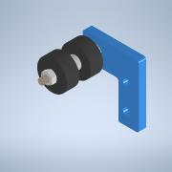 | 2
8 | Bolt M5 10mm | 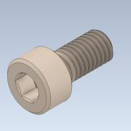 | 36
9 | DIN 508, T-Slot Nut M5 | 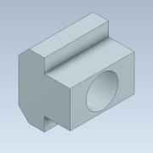 | 40
10 | 20-2040_300mm |  | 2
11 | 5537T425_T-SLOTTED FRAMING | 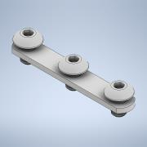 | 2 |  | STEP AP203 | ANY
12 | X_CarriageFWD_V2_1 | 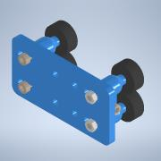 | 2
13 | X_CarriageFWDBearing_V2_1_Short | 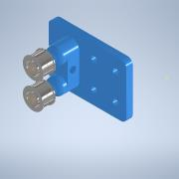 | 2
14 | X_CarriageBWD_V2_0 | 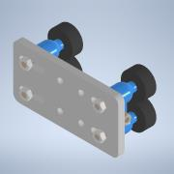 | 2
15 | Bolt M5 12mm | 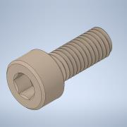 | 4

